AUTRY
IMAGES | ARTICLE | GENDER | STYLE | COLOUR | SIZE | UNITS | WHS | RTL | TOT WHS
 | AULM GG04 | MAN | MEDALIST | WHITE | 40 | 3 | €86.00 | €215.00 | €258.00
 | AULM GG04 | MAN | MEDALIST | WHITE | 41 | 6 | €86.00 | €215.00 | €516.00
 | AULM GG04 | MAN | MEDALIST | WHITE | 42 | 10 | €86.00 | €215.00 | €860.00
 | AULM GG04 | MAN | MEDALIST | WHITE | 43 | 10 | €86.00 | €215.00 | €860.00
 | AULM GG04 | MAN | MEDALIST | WHITE | 44 | 10 | €86.00 | €215.00 | €860.00
 | AULM GG04 | MAN | MEDALIST | WHITE | 45 | 6 | €86.00 | €215.00 | €516.00
 | AULM GG04 | MAN | MEDALIST | WHITE | 46 | 2 | €86.00 | €215.00 | €172.00
 | AULM GG04 | MAN | MEDALIST | WHITE | 47 | 1 | €86.00 | €215.00 | €86.00
 | AULM DL02 | MAN | MEDALIST | WHITE/LEMON MERINGUE | 40 | 1 | €74.00 | €185.00 | €74.00
 | AULM DL02 | MAN | MEDALIST | WHITE/LEMON MERINGUE | 41 | 3 | €74.00 | €185.00 | €222.00
 | AULM DL02 | MAN | MEDALIST | WHITE/LEMON MERINGUE | 42 | 5 | €74.00 | €185.00 | €370.00
 | AULM DL02 | MAN | MEDALIST | WHITE/LEMON MERINGUE | 43 | 5 | €74.00 | €185.00 | €370.00
 | AULM DL02 | MAN | MEDALIST | WHITE/LEMON MERINGUE | 44 | 5 | €74.00 | €185.00 | €370.00
 | AULM DL02 | MAN | MEDALIST | WHITE/LEMON MERINGUE | 45 | 3 | €74.00 | €185.00 | €222.00
 | AULM DL02 | MAN | MEDALIST | WHITE/LEMON MERINGUE | 46 | 1 | €74.00 | €185.00 | €74.00
 | AULM DL02 | MAN | MEDALIST | WHITE/LEMON MERINGUE | 47 | 1 | €74.00 | €185.00 | €74.00
 | AULM FT01 | MAN | MEDALIST | WHITE/VAPOR | 40 | 3 | €78.00 | €195.00 | €234.00
 | AULM FT01 | MAN | MEDALIST | WHITE/VAPOR | 41 | 6 | €78.00 | €195.00 | €468.00
 | AULM FT01 | MAN | MEDALIST | WHITE/VAPOR | 42 | 10 | €78.00 | €195.00 | €780.00
 | AULM FT01 | MAN | MEDALIST | WHITE/VAPOR | 43 | 10 | €78.00 | €195.00 | €780.00
 | AULM FT01 | MAN | MEDALIST | WHITE/VAPOR | 44 | 10 | €78.00 | €195.00 | €780.00
 | AULM FT01 | MAN | MEDALIST | WHITE/VAPOR | 45 | 6 | €78.00 | €195.00 | €468.00
 | AULM FT01 | MAN | MEDALIST | WHITE/VAPOR | 46 | 2 | €78.00 | €195.00 | €156.00
 | AULM FT01 | MAN | MEDALIST | WHITE/VAPOR | 47 | 1 | €78.00 | €195.00 | €78.00
 | AULM FT02 | MAN | MEDALIST | WHITE/ANTILOPE | 40 | 3 | €78.00 | €195.00 | €234.00
 | AULM FT02 | MAN | MEDALIST | WHITE/ANTILOPE | 41 | 6 | €78.00 | €195.00 | €468.00
 | AULM FT02 | MAN | MEDALIST | WHITE/ANTILOPE | 42 | 10 | €78.00 | €195.00 | €780.00
 | AULM FT02 | MAN | MEDALIST | WHITE/ANTILOPE | 43 | 10 | €78.00 | €195.00 | €780.00
 | AULM FT02 | MAN | MEDALIST | WHITE/ANTILOPE | 44 | 10 | €78.00 | €195.00 | €780.00
 | AULM FT02 | MAN | MEDALIST | WHITE/ANTILOPE | 45 | 6 | €78.00 | €195.00 | €468.00
 | AULM FT02 | MAN | MEDALIST | WHITE/ANTILOPE | 46 | 2 | €78.00 | €195.00 | €156.00
 | AULM FT02 | MAN | MEDALIST | WHITE/ANTILOPE | 47 | 1 | €78.00 | €195.00 | €78.00
 | AULM ML03 | MAN | MEDALIST | WHITE/RED | 40 | 3 | €74.00 | €185.00 | €222.00
 | AULM ML03 | MAN | MEDALIST | WHITE/RED | 41 | 6 | €74.00 | €185.00 | €444.00
 | AULM ML03 | MAN | MEDALIST | WHITE/RED | 42 | 10 | €74.00 | €185.00 | €740.00
 | AULM ML03 | MAN | MEDALIST | WHITE/RED | 43 | 10 | €74.00 | €185.00 | €740.00
 | AULM ML03 | MAN | MEDALIST | WHITE/RED | 44 | 10 | €74.00 | €185.00 | €740.00
 | AULM ML03 | MAN | MEDALIST | WHITE/RED | 45 | 6 | €74.00 | €185.00 | €444.00
 | AULM ML03 | MAN | MEDALIST | WHITE/RED | 46 | 2 | €74.00 | €185.00 | €148.00
 | AULM ML03 | MAN | MEDALIST | WHITE/RED | 47 | 1 | €74.00 | €185.00 | €74.00
 | AULM TS11 | MAN | MEDALIST | GREY GREEN/WHITE/SAND | 41 | 2 | €74.00 | €185.00 | €148.00
 | AULM TS11 | MAN | MEDALIST | GREY GREEN/WHITE/SAND | 42 | 3 | €74.00 | €185.00 | €222.00
 | AULM TS11 | MAN | MEDALIST | GREY GREEN/WHITE/SAND | 43 | 3 | €74.00 | €185.00 | €222.00
 | AULM TS11 | MAN | MEDALIST | GREY GREEN/WHITE/SAND | 44 | 3 | €74.00 | €185.00 | €222.00
 | AULM TS11 | MAN | MEDALIST | GREY GREEN/WHITE/SAND | 45 | 2 | €74.00 | €185.00 | €148.00
 | AULM TS11 | MAN | MEDALIST | GREY GREEN/WHITE/SAND | 46 | 1 | €74.00 | €185.00 | €74.00
 | AULW GG04 | WOMAN | MEDALIST | WHITE | 36 | 3 | €86.00 | €215.00 | €258.00
 | AULW GG04 | WOMAN | MEDALIST | WHITE | 37 | 4 | €86.00 | €215.00 | €344.00
 | AULW GG04 | WOMAN | MEDALIST | WHITE | 38 | 6 | €86.00 | €215.00 | €516.00
 | AULW GG04 | WOMAN | MEDALIST | WHITE | 39 | 6 | €86.00 | €215.00 | €516.00
 | AULW GG04 | WOMAN | MEDALIST | WHITE | 40 | 5 | €86.00 | €215.00 | €430.00
 | AULW GG04 | WOMAN | MEDALIST | WHITE | 41 | 3 | €86.00 | €215.00 | €258.00
 | AULW FT04 | WOMAN | MEDALIST | WHITE/ROSE CANNEL | 36 | 5 | €78.00 | €195.00 | €390.00
 | AULW FT04 | WOMAN | MEDALIST | WHITE/ROSE CANNEL | 37 | 6 | €78.00 | €195.00 | €468.00
 | AULW FT04 | WOMAN | MEDALIST | WHITE/ROSE CANNEL | 38 | 8 | €78.00 | €195.00 | €624.00
 | AULW FT04 | WOMAN | MEDALIST | WHITE/ROSE CANNEL | 39 | 8 | €78.00 | €195.00 | €624.00
 | AULW FT04 | WOMAN | MEDALIST | WHITE/ROSE CANNEL | 40 | 6 | €78.00 | €195.00 | €468.00
 | AULW FT04 | WOMAN | MEDALIST | WHITE/ROSE CANNEL | 41 | 4 | €78.00 | €195.00 | €312.00
 | AULW FT10 | WOMAN | MEDALIST | WHITE/RAME | 36 | 3 | €78.00 | €195.00 | €234.00
 | AULW FT10 | WOMAN | MEDALIST | WHITE/RAME | 37 | 5 | €78.00 | €195.00 | €390.00
 | AULW FT10 | WOMAN | MEDALIST | WHITE/RAME | 38 | 6 | €78.00 | €195.00 | €468.00
 | AULW FT10 | WOMAN | MEDALIST | WHITE/RAME | 39 | 6 | €78.00 | €195.00 | €468.00
 | AULW FT10 | WOMAN | MEDALIST | WHITE/RAME | 40 | 5 | €78.00 | €195.00 | €390.00
 | AULW FT10 | WOMAN | MEDALIST | WHITE/RAME | 41 | 3 | €78.00 | €195.00 | €234.00
 | AULW WB01 | WOMAN | MEDALIST | WHITE/BLACK | 36 | 3 | €74.00 | €185.00 | €222.00
 | AULW WB01 | WOMAN | MEDALIST | WHITE/BLACK | 37 | 4 | €74.00 | €185.00 | €296.00
 | AULW WB01 | WOMAN | MEDALIST | WHITE/BLACK | 38 | 6 | €74.00 | €185.00 | €444.00
 | AULW WB01 | WOMAN | MEDALIST | WHITE/BLACK | 39 | 6 | €74.00 | €185.00 | €444.00
 | AULW WB01 | WOMAN | MEDALIST | WHITE/BLACK | 40 | 5 | €74.00 | €185.00 | €370.00
 | AULW WB01 | WOMAN | MEDALIST | WHITE/BLACK | 41 | 3 | €74.00 | €185.00 | €222.00
 | AVLW MP02 | WOMAN | SUPER VINTAGE | WHITE/ PHARD | 36 | 2 | €102.00 | €255.00 | €204.00
 | AVLW MP02 | WOMAN | SUPER VINTAGE | WHITE/ PHARD | 37 | 2 | €102.00 | €255.00 | €204.00
...
IMAGES | ARTICLE | GENDER | STYLE | COLOUR | SIZE | UNITS
 | ROLWMM34 | WOMAN | CLC LOW | SILVER/VAPOR | 37 | 1
 | ROLWMM34 | WOMAN | CLC LOW | SILVER/VAPOR | 38 | 2
 | ROLWMM34 | WOMAN | CLC LOW | SILVER/VAPOR | 39 | 1
 | ROLWMM34 | WOMAN | CLC LOW | SILVER/VAPOR | 40 | 2
 | ROLWMM34 | WOMAN | CLC LOW | SILVER/VAPOR | 41 | 1
 | ROLWMM34 | WOMAN | CLC LOW | SILVER/VAPOR | 42 | 1
 | TSPM 007B | MAN | T-SHIRT | BLACK | S | 6
 | TSPM 007B | MAN | T-SHIRT | BLACK | M | 8
 | TSPM 007B | MAN | T-SHIRT | BLACK | L | 8
 | TSPM 007B | MAN | T-SHIRT | BLACK | XL | 6
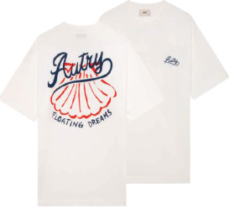 | TSPX 047W | WOMAN | T-SHIRT | WHITE | XS | 1
 | TSPX 047W | WOMAN | T-SHIRT | WHITE | S | 2
 | TSPX 047W | WOMAN | T-SHIRT | WHITE | M | 5
 | TSPX 047W | WOMAN | T-SHIRT | WHITE | L | 5
 | TSPX 047W | WOMAN | T-SHIRT | WHITE | XL | 3
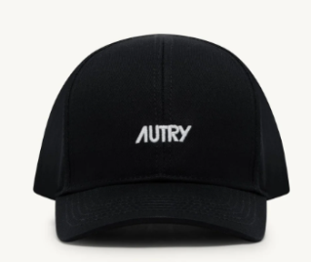 | ACPU 063B | WOMAN | CAP | BLUE | UN | 28
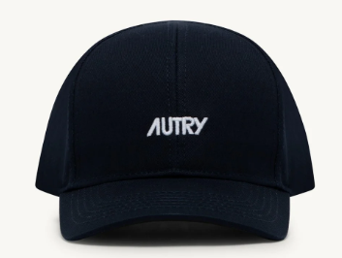 | ACPU 063K | UNISEX | CAP | BLACK | UN | 28
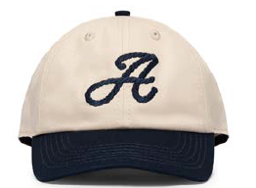 | ACPU 0671 | UNISEX | CAP | CREAM/BLUE | UN | 10
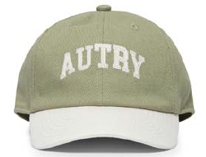 | ACPU 068Y | UNISEX | BASEBALL CAP | CHRYSALIS | UN | 10
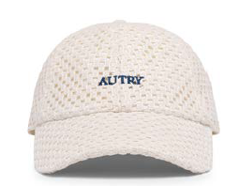 | ACPU 082S | UNISEX | BASEBALL CAP | WHITE | UN | 10
 |  |  |  |  |  | 550

